Sheet 1
The employee credit union at State University is planning the allocation of funds for the coming year. The credit union makes four types of loans to its members. In addition, the credit union invests in risk-free securities to stabilize income. The various revenue-producing investments, together with annual rates of return, are as follows.
The credit union will have $2,200,000 available for investment during the coming year. State laws and credit union policies impose the following restrictions on the composition of the loans and investments.
Risk-free securities may not exceed 30% of the total funds available for investment.
Signature loans may not exceed 10% of the funds invested in all loans (automobile, furniture, other secured, and signature loans).
Furniture loans plus other secured loans may not exceed the automobile loans.
Other secured loans plus signature loans may not exceed the funds invested in risk-free securities.
How should the $2,200,000 be allocated to each of the loan/investment alternatives (in dollars) to maximize total annual return?
Credit Union

Automobile loans | 0.07
Furniture loans | 0.09
Other secured loans | 0.1
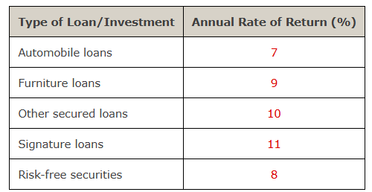
Signature loans | 0.11
Risk-free securities | 0.08
Total investment | 2200000

Model

Allocations
Automobile loans | 693000
Furniture loans | 187000
Other secured loans | 506000
Signature loans | 154000
Risk-free securities | 660000
Total Return | 185680

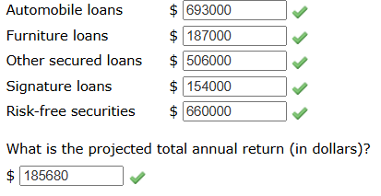
Furniture loans Other secured loans | 693000 | ≤ | 693000
Other secured and signature | 660000 | ≤ | 660000
Signature loans | 154000 | ≤ | 154000
Risk-free securities | 660000 | ≤ | 660000
Total investment | 2200000 | ≤ | 2200000

